How To
Step 1 | Create working detail (List from Sheet 1_add Blank)
 |  | **This was done so that all the blanks get clumped together properly. Future step may create additional blank rows because of extra line feed in cells.

 | Select Data
 | Select From Table/Range
 |  | This will open a new window
 | Select Split Column by Delimiter
 |  | Selection Box Opens and input data as shown below
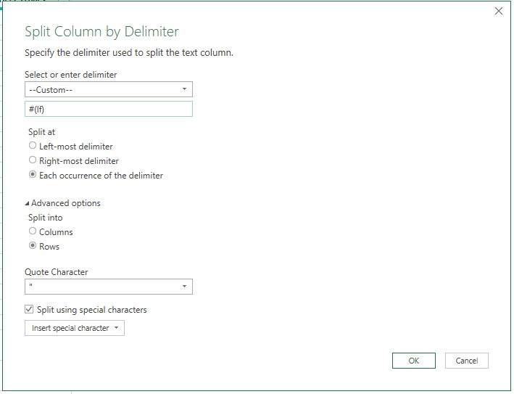

 | Hit Ok
 | Then hit close/load |  | this will put data in new tab (Table1)

Step 2 | Copy and paste values from Table 1 to new tab (Work_Data_remove those no name)
 |  | This is where you may get additional lines because had extra line feed (return) in the cell. I left them in for example here but you can remove them.

Step 3 | Create new tab and create distinct list of categories so you can roll up the CPT Codes (Distinct Categories_Add Codes)

Step 4 | Add/modify formula to roll up codes using comma. I left formula in for your review.

Step 5 | Copy/paste values data from Distinct Categories_Add Codes to Final Listing so you have working list.

Make sure when you copy and paste you select values so it doesn't carry along formulas or pivot detail
